User manual
MULTICOMPOUNDsystem MCS Universal 300 / 410ml
Working and hardening times

Hints
In wet concrete, the curing time must be doubled
** Resin temperature must be at least +20°C

Temperatur in anchoring ground | Max. processing time | Min. curing time
>= -5°C** | 40 min | 180 min
>= +5°C | 20 min | 90 min
>= +15°C | 9 min | 60 min
>= +25°C | 5 min | 30 min
>= 35°C | 3 min | 20 min

Installation instruction

1. Bore hole drilling Drill hole to the required embedment depth with hammer drill bit | 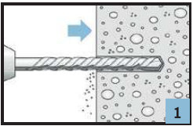 | 2. Bore hole cleaning 4x blow out with manual pump, 4x brushing 4x blow out again | 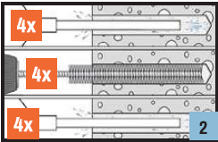
3. Insert anchor sleeve in perforated bricks | 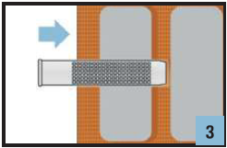 | 4. Preparation injection Remove cap, screw on mixer nozzle tightly. Insert cartridge in gun and start dispense outside the hole. Remove forerun (~10 cm) until mortar has an even coloring. | 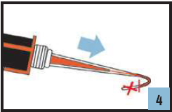
5. Mortar injection Insert nozzle to the bottom of the drill hole and start injection. In solid material the hole has to be filled by 75%. When using an anchor sleeve in perforated bricks, the sleeve has to be filled by 100%. | 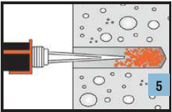 | 6. Anchor installation Insert the anchor slowly with a slight twisting motion. Excess mortar must be emerged around the anchor element. | 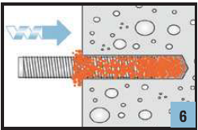
7. Install attachment After min. curing time is reached, install the attachment with max. installation torque. | 