Data sheet
Performance data MULTICOMPOUNDsystem MCS Universal
with threaded rod MCS Plus A in solid and perforated masonry

Hints
Permissible loads for a single anchor in masonry category b and c, stone types see below.
The design details are fully disclosed in the ETA-25/0656. The recommended loads are valid under the following conditions:
- dry environment, masonry mortar class more than M2,5
- space distance s >= scr and edge distance c >= ccr
- joints (vertical and horizontal) are visible and filled with mortar
-The required partial safety factors for material resistance as well as a partial safety factor for load actions of γL = 1.4 are considered.
- no pre-stressing force on the wall
- no interaction of tension and shear loads considered
-temperature range from -40°C to +40°C

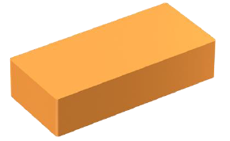
1. Category b: solid clay masonry
Type: Mattone pieno UNI (12.6.25)
Bulk densitiy class p = 1,6 kg/dm³
Minimum compressive strength fb = 18 MPa
Anchor size Permissible load of a single anchor |  |  |  | M 6 | M 8 | M 10 | M 12
Effective anchorage depth |  | h ef | [mm] | 80 | 80 | 85 | 85
 | Perm. tension load | Nperm | [kN] | 0.8 | 0.8 | 0.8 | 0.8
 | Perm. shear load | Vperm | [kN] | 1.2 | 1.2 | 1.4 | 1.4
Min. member thickness |  | hmin | [mm] | 108 | 110
Minimal spacing |  | smin ǁ | [mm] | 240 | 240 | 255 | 255
Minimal edge distance |  | cmin | [mm] | 120 | 120 | 127.5 | 127.5
Nominal drill Ø |  | d0 |  | 8 | 10 | 12 | 14
Max. installation torque |  | Tinst, max | [Nm] | 2 | 2 | 2 | 2

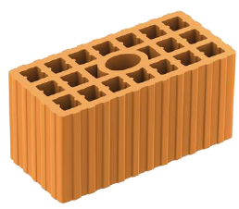
2.Category c: Hollow masonry
Type: Doppio UNI (12.12.25)
Bulk density class p = 0,9 kg/dm³
Minimum compressive strength fb = 6,0 Mpa
Anchor size Permissible load of a single anchor |  |  |  | M 6 | M 8 | M 10 | M 12
Effective anchorage depth |  | h ef | [mm] | 85 | 85 | 85 | 85
 | Perm. tension load | Nperm | [kN] | 0.4 | 0.4 | 0.4 | 0.4
 | Perm. shear load | Vperm | [kN] | 0.4 | 0.4 | 0.4 | 0.4
Minimal member thickness |  | hmin | [mm] | 90 | 90 | 90 | 90
Minimal spacing | parallell to bearing joint | smin ǁ | [mm] | 250 | 250 | 250 | 250
 | vertical to bearing joint | smin˔ | [mm] | 120 | 120 | 120 | 120
Minimal edge distance |  | cmin | [mm] | 100 | 100 | 100 | 100
Nominal drill Ø |  | d0 |  | 12 | 12 | 16 | 16
Max. installation torque |  | Tinst, max | [Nm] | 1.5 | 1.5 | 1.5 | 1.5

